Measurements - MZP
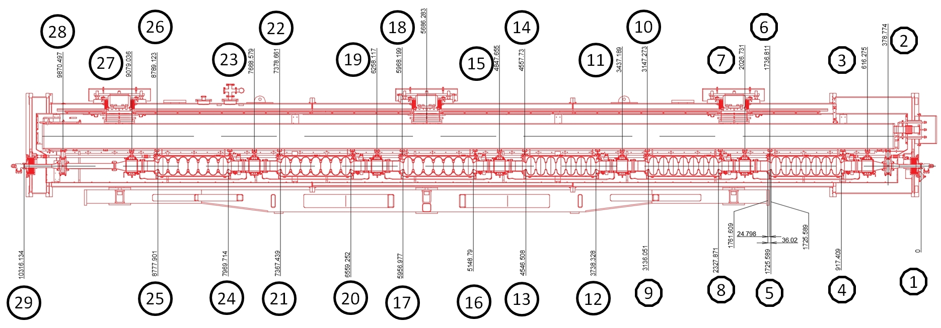
Point | Description | Room Temperature |  | Operating Temperature |  | Position from Center Post | Position at Operating Temperature *needs to be checked | Delta Position | Temp Start (K) | Temp Finish (K) | Center Post to Element | Original Position from GV1 | Feature of Size | Thermal Expansion (10e-5 m/m) | New Feature of Size | Delta Size | Comments
 |  | MZP Position (x axis) | MZP Position (z axis)
1 | Gate Valve 1 to Flange (316L) | -2819.91 | 11276.063 | -2819.91 |  | -5686.283 | -5678.373 | 7.91 | 293 | 200 | -5686.283 | 378.774 |  | -139.1 |  |  | -5307.509
2 | Flange to GV1 (316L) | -2819.91 |  | -2819.91 |  | -5307.509 | -5291.699 | 15.81 | 293 | 40 | -5307.509 | 0 |  | -297.9
3 | HGRP - HOM 1 (Gr 5) | -2819.91 |  | -2819.91 |  | -5128.699 | -5113.421 | 15.28 | 293 | 40 | -5128.699 | 178.810 |  | -297.9 |  | 0.00
4 | Cavity 1 Iris Right (Nb) | -2819.91 |  | -2819.91 |  | -4768.874 | -4762.198 | 6.68 | 293 | 1.8 | -4768.874 | 538.635 | 808.180 | -140.0 | 807.05 | -1.13
CAV 1 | Cavity 1 Center (Nb) | -2819.91 | 12597.133 | -2819.91 |  | -4365.213 | -4359.102 | 6.11 | 293 | 1.8 |  |  |  | -140.0
5 | Cavity 1 Iris Left (Nb) | -2819.91 |  | -2819.91 |  | -3960.694 | -3955.149 | 5.54 | 293 | 1.8 | -3960.694 | 1346.815 | 808.180 | -140.0 | 807.05 | -1.13
6 | HGRP - Cavity 1 (Gr 5) | -2819.91 |  | -2819.91 |  | -3949.472 | -3937.707 | 11.77 | 293 | 40 | -3949.472 | 1358.037 |  | -297.9
7 | HGRP - HOM 2 (Gr 5) | -2819.91 |  | -2819.91 |  | -3659.553 | -3648.652 | 10.90 | 293 | 40 | -3659.553 | 1647.956 |  | -297.9 |  | 0.00
8 | Cavity 2 Iris Right (Nb) | -2819.91 |  | -2819.91 |  | -3358.412 | -3353.710 | 4.70 | 293 | 1.8 | -3358.412 | 1949.097 | 808.18 | -140.0 | 807.05 | -1.13
CAV 2 | Cavity 2 Center (Nb) | -2819.91 | 14007.595 | -2819.91 |  | -2954.751 | -2950.614 | 4.14 | 293 | 1.8 |  |  |  | -140.0
9 | Cavity 2 Iris Left (Nb) | -2819.91 |  | -2819.91 |  | -2550.232 | -2546.662 | 3.57 | 293 | 1.8 | -2550.232 | 2757.277 | 808.18 | -140.0 | 807.05 | -1.13
10 | HGRP - Cavity 2 (Gr 5) | -2819.91 |  | -2819.91 |  | -2539.010 | -2531.447 | 7.56 | 293 | 40 | -2539.010 | 2768.499 |  | -297.9
11 | HGRP - HOM 3 (Gr 5) | -2819.91 |  | -2819.91 |  | -2249.094 | -2242.394 | 6.70 | 293 | 40 | -2249.094 | 3058.415 |  | -297.9 |  | 0.00
12 | Cavity 3 Iris Right (Nb) | -2819.91 |  | -2819.91 |  | -1947.956 | -1945.229 | 2.73 | 293 | 1.8 | -1947.956 | 3359.553 | 808.18 | -140.0 | 807.05 | -1.13
CAV 3 | Cavity 3 Center (Nb) | -2819.91 | 15418.051 | -2819.91 |  | -1544.295 | -1542.133 |  | 293 | 1.8 |  |  |  | -140.0
13 | Cavity 3 Iris Left (Nb) | -2819.91 |  | -2819.91 |  | -1139.776 | -1138.180 | 1.60 | 293 | 1.8 | -1139.776 | 4167.733 | 808.18 | -140.0 | 807.05 | -1.13
14 | HGRP - Cavity 3 (Gr 5) | -2819.91 |  | -2819.91 |  | -1128.554 | -1125.192 | 3.36 | 293 | 40 | -1128.554 | 4178.955 |  | -297.9
15 | HGRP - HOM 4 (Gr 5) | -2819.91 |  | -2819.91 |  | -838.629 | -836.131 | 2.50 | 293 | 40 | -838.629 | 4468.880 |  | -297.9 |  | 0.00
16 | Cavity 4 Iris Right (Nb) | -2819.91 |  | -2819.91 |  | -537.494 | -536.742 | 0.75 | 293 | 1.8 | -537.494 | 4770.015 | 808.187 | -140.0 | 807.06 | -1.13
CAV 4 | Cavity 4 Center (Nb) | -2819.91 | 16828.484 | -2819.91 |  | -133.862 | -133.675 | 0.19 | 293 | 1.8 |  | 5307.509 |  | -140.0
17 | Cavity 4 Iris Left (Nb) | -2819.91 |  | -2819.91 |  | 270.693 | 270.314 | -0.38 | 293 | 1.8 | 270.693 | 5578.202 | 808.187 | -140.0 | 807.06 | -1.13
18 | HGRP - Cavity 4 (Gr 5) | -2819.91 |  | -2819.91 |  | 281.915 | 281.075 | -0.84 | 293 | 40 | 281.915 | 5589.424 |  | -297.9
ZERO |  | -21869.91 | 16962.346 | -2819.91 | 16962.346 | 0.000
19 | HGRP - HOM 5 (Gr 5) | -2819.91 |  | -2819.91 |  | 571.833 | 570.130 | -1.70 | 293 | 40 | 571.833 | 5879.342 |  | -297.9 |  | 0.00
20 | Cavity 5 Iris Right (Nb) | -2819.91 |  | -2819.91 |  | 872.968 | 871.746 | -1.22 | 293 | 1.8 | 872.968 | 6180.477 | 808.187 | -140.0 | 807.06 | -1.13
CAV 5 | Cavity 5 Center (Nb) | -2819.91 | 18238.982 | -2819.91 |  | 1276.636 | 1274.849 | -1.79 | 293 | 1.8 |  |  |  | -140.0
21 | Cavity 5 Iris Left (Nb) | -2819.91 |  | -2819.91 |  | 1681.155 | 1678.801 | -2.35 | 293 | 1.8 | 1681.155 | 6988.664 | 808.187 | -140.0 | 807.06 | -1.13
22 | HGRP - Cavity 5 (Gr 5) | -2819.91 |  | -2819.91 |  | 1692.377 | 1687.336 | -5.04 | 293 | 40 | 1692.377 | 6999.886 |  | -297.9
23 | HGRP - HOM 6 (Gr 5) | -2819.91 |  | -2819.91 |  | 1982.295 | 1976.390 | -5.91 | 293 | 40 | 1982.295 | 7289.804 |  | -297.9 |  | 0.00
24 | Cavity 6 Iris Right (Nb) | -2819.91 |  | -2819.91 |  | 2283.430 | 2280.233 | -3.20 | 293 | 1.8 | 2283.430 | 7590.939 | 808.187 | -140.0 | 807.06 | -1.13
CAV 6 | Cavity 6 Center (Nb) | -2819.91 | 19649.444 | -2819.91 |  | 2687.098 | 2683.336 |  | 293 | 1.8 |  |  |  | -140.0
25 | Cavity 6 Iris Left (Nb) | -2819.91 |  | -2819.91 |  | 3091.617 | 3087.289 | -4.33 | 293 | 1.8 | 3091.617 | 8399.126 | 808.187 | -140.0 | 807.06 | -1.13
26 | HGRP - Cavity 6 (Gr 5) | -2819.91 |  | -2819.91 |  | 3102.839 | 3093.596 | -9.24 | 293 | 40 | 3102.839 | 8410.348 |  | -297.9
27 | HGRP - HOM 7 (Gr 5) | -2819.91 |  | -2819.91 |  | 3392.752 | 3382.645 | -10.11 | 293 | 40 | 3392.752 | 8700.261 |  | -297.9
28 | HGRP - Gate Valve 2 (Gr 5) | -2819.91 |  | -2819.91 |  | 4184.214 | 4171.750 | -12.46 | 293 | 40 | 4184.214 | 9491.723 |  | -297.9
29 | GV2 to Flange (316L) | -2819.91 |  | -2819.91 |  | 4629.850 | 4623.409 | -6.44 | 293 | 200 | 4629.850 | 9937.359 |  | -139.1

Thermal Expansion
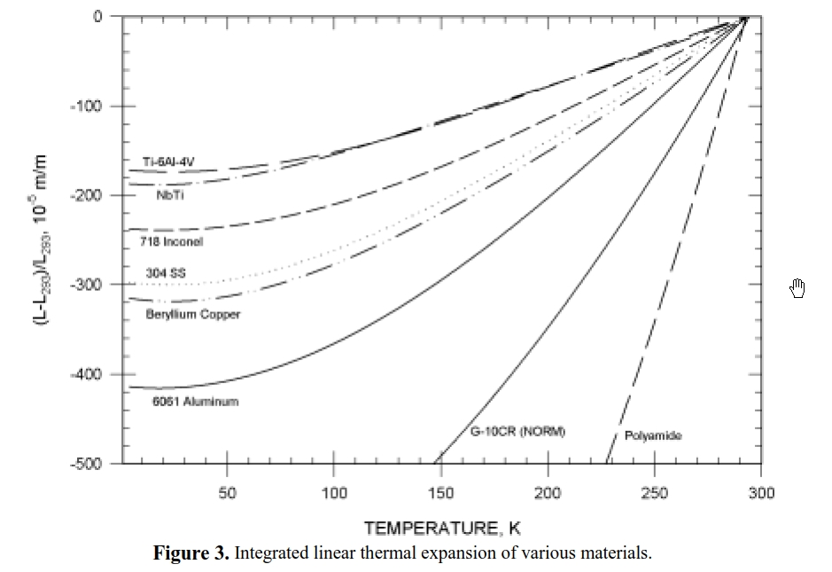
y = a + bT + cT2 + dT3 + eT4 |  | SST 316L | Titanium Grade 5 (Ti 6Al 4V) | NbTi | Nb
 | a | -2.9554E+02 | -1.7110E+02 | -1.8620E+02
 | b | -3.9811E-01 | -2.1400E-01 | -2.5680E-01
 | c | 9.2683E-03 | 4.8070E-03 | 8.3340E-03
 | d | -2.0261E-05 | -7.1110E-06 | -2.9510E-05
 | e | 1.7127E-08 | 0.0000E+00 | 3.9080E-08
 | f | -300.04 | -173.61 | not avail
 | T (K) | 40 | 40 | 1.8 | 1.8
 | y = | -297.888 | -172.424 | -186.635 | -140
 | y(f>) = | (T < 23) -300.04 | (T < 24) -173.61 | n/a

